Sheet1
Topic 20 Default Views Layout master layout located on _ViewStart.Cshtml | https://ibm-learning.udemy.com/course/complete-aspnet-core-21-course/
Topic 21: Dependecy injection Dependent classes injected - Global class can used globally create DI Container
Topic 22 Go easy on Yourself
Section 2
topic 23 Creation of model
topic 24 Data annotation declaring key or primary key [Required] [key]
topic 25 Connection String SQL server for setting up, can set on appsetting.json for connection string Example: "ConnectionString":{ "DefaultConnection": "Server:.Database=dbname;Trusted_Connection=True;TrustServerCertification=True" }
topic 26: Nuget Packages for Entity Framework Core Adding Packing from Nuget EntityFrameWorkCore & tool and check the include prerelease and also EntityFrameWorkCore.sqlserver packages note make sure same version
topic 27: Setup ApplicationDbContext add new folder in main add new class for ApplicationDbContext.cs settings up connection string and DBContext from added class, the from Program.cs modify code and added the created Connectionstring builder.Services.AddDbCon
topic 28: Create Database -via console Command using Command console: update-database
topic 29: create table category update ApplicationDBContext for Dbset public dbset<Category> categories {get;set;} type to console command: add-migration AddCategoryTableToDb take note: make sure put Id name on the class
topic 30: add category controller
topic 31: Add Category Link in Header asp-controller and asp-action
topic 32: Seed Category table Command: add-migration SeedCategoryTable
topic 33: Get All Category private readonly ApplicationDbContext _db; public CategoryController(ApplicationDbContext db) { _db = db; } List<Category> categories = _db.Categories.ToList();
topic 34: hot reload
topic 35:Display all Category Model @model List<Category> @foreach (var obj in Model.OrderBy(Data =>Data.DisplayOrder))
Topic 36: Bootstrap Watch
Topic 37: Design Category List Page
Topic38 Create Caterory UI
topic 39: input tag helpers
topic 40: Create Category
topic 41: Server Side Validation - Model validation
topic 42: Custom Validation - controller validation
topic 43: ASP Validation - view (asp-summary) and controller (conditional program)
topic 44: Client Side Validation - view validation using javascript plug.in @section Scripts{ @{ <partial name="_ValidationScriptsPartial"></partial> } }
topic 45: Edit and Delete Category - UI Only
topic 46: Get Category Details to Edit
topic 47: update Category
topic 48: update action controller
topic 49: Get and Post Action for Category
topic 50: Delete Category Action
topic: 51 TempData
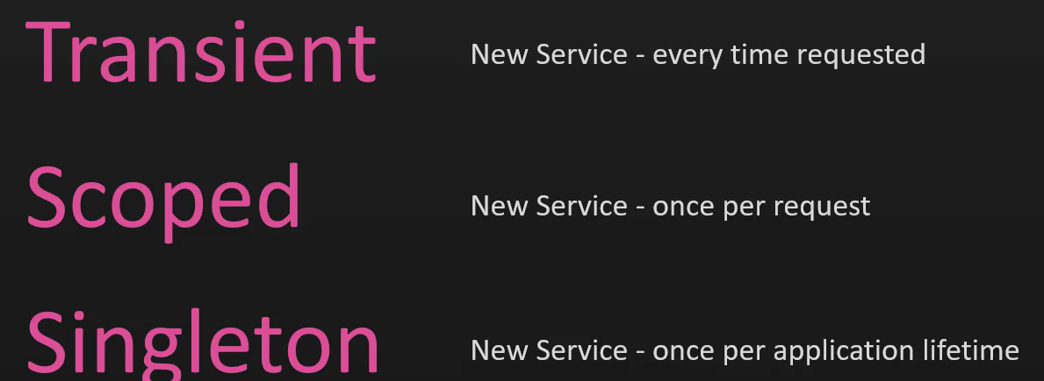
topic 52: Partial View
topic 53: toast notification
Secion 3: Razor
topic 54: Create Razor Project
topic 55: Dif in Razor Project
topic 56: set up Entity Framework
topic 57: Create First Page Razor
topic 58: Display Category list
topic 59: Create Category UI
topic 60 Category Post Handler
topic 61: Edit and Delete
topic 62: Toast and Partial View

Section 4 : N-tier Architecture
topic 63: Create More Project
topic 64: Modify Styling Refresh
topic 65
topic 66: modify UI of Category
topic 67 Ntier Architecture Create Library for the Models, Utility and DataAccess Project web (Models)-> Models library Project Web (Data, Migration) -> DataAccess Add Nugets library for the different project library update all errors encouter
topic 68 How to reset database
topic 69: Bonus - Dependency injection service lifetimes Transient - simplest and cheapest, no need to reuse, 1. Scope - depends on http request and same request reuse (1 request in 10 page), 3. Singleton - create service

section 5 : Repository Pattern |  | 0.34403669725
Topic 70: Repository Interface Creating Interface for crud function instende of normal Application DB context
Topic 71: Implementation of Repository Interface Creating a new class that inherit the intance of repository interface
Topic 72: Implementation in Category
topic 73: implement Category Repository
Topic 74: Replace DBContext with Catergory Repository
Topic 75: How easy it is to move to a different Database
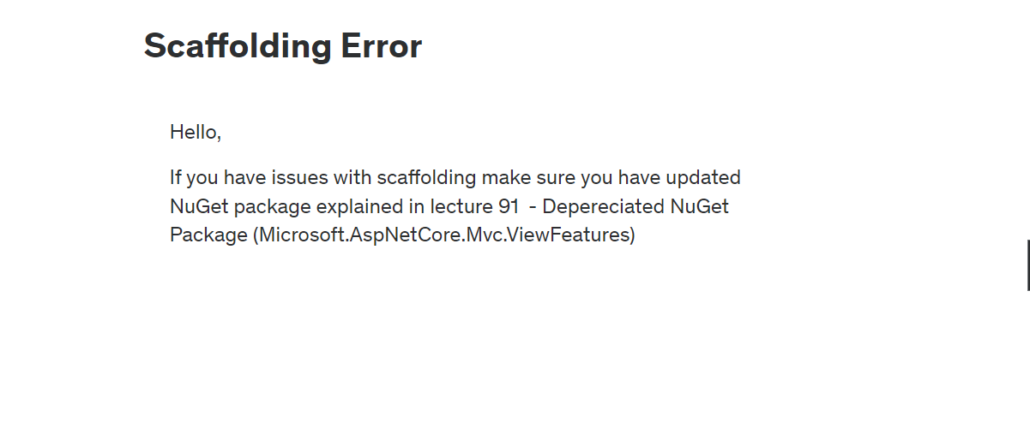
Topic 76: Renaming Project And solving Issues
Topic 77: Unit of Work Implementation

section 8: Scaffolding Error
Topic 111: Scaffold Identity
Topic 112 Scaffold Identity Issue
Topic 113 Understand what Got Added (install IdentityCore Package and update Contextdb to IdentityContextDb)
Topic 114: Add Identity table (add-migration AddIdentityTables) and Add RazorPages Services
Topic 115 Extend Identiy Table
Topic 116 Register a User
Topic 117 Register an Application User (change identityUser to ApplicationUser on Register.html)
Topic 118 Create Roles in Database (update SD Library and Add IEmailSender class) put also role on SD class that will be used on storing roles in database public static class SD { public const string Role_Customer = "Customer"; public const string Role_Company = "Company"; public const string Role_Admin = "Admin"; public const string Role_Employee = "Employee"; } Register HTML if (!_roleManager.RoleExistsAsync(SD.Role_Customer).GetAwaiter().GetResult()) { _roleManager.CreateAsync(new IdentityRole(SD.Role_Employee)).GetAwaiter().GetResult(); _roleManager.CreateAsync(new IdentityRole(SD.Role_Admin)).GetAwaiter().GetResult(); _roleManager.CreateAsync(new IdentityRole(SD.Role_Customer)).GetAwaiter().GetResult(); _roleManager.CreateAsync(new IdentityRole(SD.Role_Company)).GetAwaiter().GetResult(); }
Topic 119 Assign Roles on Registration: Add below program on Register Page <div class="form-floating mb-3"> <select asp-for="Input.Role" asp-items="@Model.Input.RoleList" class="form-select" > <option disabled selected>-- Select User Role --</option> </select> </div> if (!String.IsNullOrEmpty(Input.Role)) { await _userManager.AddToRoleAsync(user, Input.Role); } else { await _userManager.AddToRoleAsync(user, SD.Role_Customer); } add Update Program CS builder.Services.AddIdentity<IdentityUser,IdentityRole>().AddEntityFrameworkStores<ApplicationDbContext>().AddDefaultTokenProviders()
Topic 120 Authorization in Project: Add @using Refresher.Utility on every _viewImportcs [Authorize(Roles = SD.Role_Admin)] for the controller Add Program CS builder.Services.ConfigureApplicationCookie(options => { options.LoginPath = $"/Identity/Account/Login"; options.LogoutPath = $"/Identity/Account/Logout"; options.AccessDeniedPath = $"/Identity/Account/AccessDenied"; });
Topic 121 Update Login and Register UI:
Topic 122 Register Other Fields
Topic 123 UI Bug - modify the layout under of Identity Manage Layout => Layout = "/Views/Shared/_Layout.cshtml"; and Copy Any _viewstartlayout and paste it on manage folder under of identity

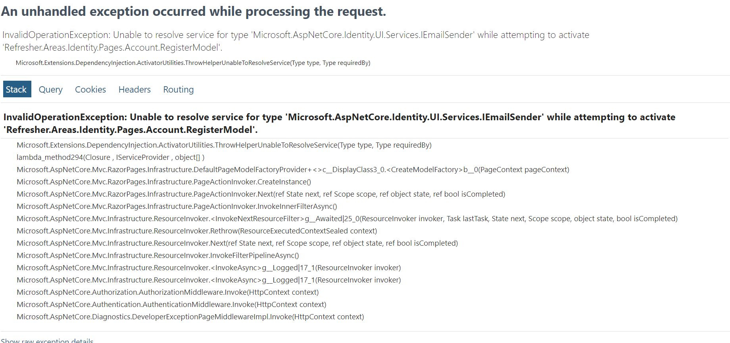
Section 9: Company CRUD
Topic 124: Why Do we Have a Company Role
Topic 125 Assignment 3
Topic 126 Assignment 3 Solution - Company Crud
Topic 127 Display Company Dropdown
Topic 128 Toggle Company Dropdown
Topic 129 Register Company User

Section 10: Shopping Cart
Topic 130: Add Shopping Cart Model
Topic 131: Add Shopping Cart To Repository
Topic 132: Add Application User Repository
Topic 133: What will be Model For Details Page?
Topic 134: Add To Cart
Topic 135: Fix Issue with Add To Cart
Topic 136: A weird Bug
Topic 137 Shopping Cart UI
Topic 138: Get Shopping Cart
Topic 139 Get Order Total in Shopping Cart
Topic 140 Dynamic Shopping Cart
Topic 141 Update Quantity in Shopping Cart
Topic 142 Order Summary UI

Section 11: Order Confirmation
Topic 143: Create Order header and Details Model
Topic 144: Add Order Header and Detail Repository
Topic 145 Make ShoppingCartVM more Dynamic
Topic 146 Summary Get Action Method
Topic 147: Load Summary UI with Data
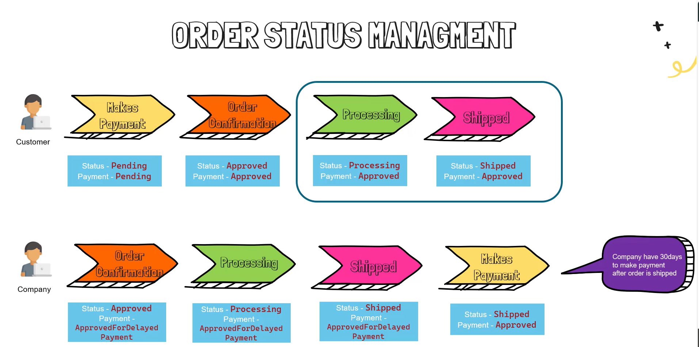
Topic 148 Order Status
Topic 149 Summary Post Action
Topic 150 Place Order for Company Accounts
Topic 151 Register for Stripe
Topic 152 Configure Stripe in Project
Topic 153 Add Helper Methods in Order header Repository
Topic 154 Stripe in Action
Topic 155 Confirm Stripe Payment
Topic 156 Order Placed Successfully with Stripe

Section 12: Order Management
Topic 157 orderVm and Order controller
Topic 158 order list UI
Topic 159 Add Status Filter
Topic 160 Make Status Selected Active
Topic 161 Demo filter in order list
Topic 162 order Details get action
Topic 163 loading order details header
Topic 164 display order detials
Topic 165 update order details
Topic 166 only admin and employee can see all
Topic 167 order processing buttons logic
Topic 168 ship order
Topic 169 cancel order
Topic 170 process delayed payment

Section 13 advance concepts
Topic 171 Authorization
Topic 172 session in net core builder.Services.AddDistributedMemoryCache(); builder.Services.AddSession( options => { options.IdleTimeout = TimeSpan.FromMinutes(100); options.Cookie.HttpOnly = true; options.Cookie.IsEssential = true; }); app.UseSession(); layout @using Microsoft.AspNetCore.Http @inject IHttpContextAccessor IHttpContextAccessor (@IHttpContextAccessor.HttpContext.Session.GetInt32(SD.SessionCart)) controller HttpContext.Session.SetInt32(SD.SessionCart, _unitOfWork.ShoppingCart.GetAll(u => u.ApplicationUserId == UserId).Count()); add tracked on controller , tracked:true add LogoutController: HttpContext.Session.Clear();
Topic 173 remove from session and bug
Topic 174 Bug Solution and logout
Topic 175 Create view component
Topic 176 View Component in action - Can be async
Topic 177 facebook social login
Topic 178 facebook login in action
Topic 179 creating admin and employee accounts
Topic 180 session bug

Topic 181: DBInitializer
Topic 182: DBInitializer Implementation
Topic 183: DBInitializer Action
Topic 184: SendGrid Email Setup
Topic 185 SendGrid in Action
Topic 186: Create Azure SQL Server and Database
Topic 187: Downgrade to Net 7
Topic 188: Azure Production Deployment
Topic 189: Azure Deployment In Action
Topic 190: Facebook Url
Topic 191: Facebook Url Error

Topic 192: Display User List
Topic 193: Display Company Name
Topic 194: Display Roles
Topic 195: Lock Unlock Action Method
Topic 196: Lock Unlock in Action
Topic 197 Assignment 4 - User Role
Topic 198: Assignment 4 Solution part 1 - vew Code
Topic 199: Assignment 4 Solution Part 2 - Role Logic

Topic 200: Next task
Topic 201: Remve ImageURl From Product
Topic 202: Product Image Table
Topic 203: Add Product Image Repository
Topic 204: Upload Images on Product Upsert
Topic 205: Demo Upload Images
Topic 206
Topic 207
Topic 208
Topic 209
Topic 210
Topic 211
Topic 212
Topic 213
Topic 214
Topic 215

Topic 216

Topic 217

Topic 218

